1. Title Page
Cracking the Code: Uncovering Hidden Sales Patterns

Project Name: Instacart Grocery Basket Analysis
Date: 9/2/2024
Analyst Name: Andres Cannizzo

Contents:
Population Flow
Consistency checks
Wrangling steps
Column derivations
Visualizations
Recommendations

2. Population Flow
Title page

Population flow

Exclusion flag
Condition: max_order <
Obervations to be removed:
Final total count of order_products_all:

Orders_products_combined
Orders_products_merged
Orders_products_all

Total: 32434489, 13
Total: 32404859, 15
Total: 32404859, 30

1.) The grey boxes in the first row of the population flow represent the original data sets as they were when you downloaded them. In the Total fields you need to add the count of the rows when you imported the data set into Jupyter.
2.) The second row of boxes (coloured) represents the data sets after you manipulated them, e.g., removed missing values and duplicates. In the Total fields you need to add the count of the rows after conducting these operations. This offers a visual oveview of how the data flows throughout the data consistency checks.
3.) The third row, where also the arrows are coloured, represents the merges you performed between the datasets. In the Total fields you need to add the count of the rows in the merged datasets, so that you end up with the final dataset (in the red box). Keep in mind the final dataset should be without exclusions (based on the exclusion flag).

3. Consistency checks
 |  |  |  | Title page
Consistency checks

Dataset | Missing values | Missing values treatment | Duplicates
orders | Users with order number "1" in the dataset, totaling 206,209 users, have missing values (NaN) in the 'days_since_prior_order' column. | No treatment was made because it heavily depends on what the employer/client wants but if we did need to I would use this code. df_ords.dropna(inplace = True) df_prods.dropna(subset = ['days_since_prior_order'], inplace = True) | No duplicates were found
products | product_name Nan | df_prods_clean = df_prods[df_prods['product_name'].isnull() == False] | 25 duplicates
orders_products_prior | 0 missing values | 0 missing values | 0 duplicates
customers | Missing values were in First Name column | There is nothing I can do because the data that was given to me did not display First names for the customers dataset | 0 duplicates were found

4. Wrangling steps
 |  |  |  | Title page
Wrangling steps

Columns dropped | Columns renamed | Columns' type changed | Comment/Reason
 | order_dow = orders_day_of_week | order_id changed to a string | order_days_of_the_week is easier to remember, If order_id contains leading zeros, treating it as a string prevents the removal of leading zeros.
 |  | user_id', 'Age', 'n_dependants', 'income' | These were none mixed data types and I changed them to a mixed data type, so I can work with the data set without any problems.
Unnamed: 0.1 |  |  | There was no important information in these columns all were placed with 0
Unnamed: 0 |  |  | All of the data in this column was 0
_merge |  |  | All of the data in this column was both there wasn't a need to keep this column

5. Column derivations
 |  |  |  | Title page

Column derivations and aggregations

In this tab you should add tables below that the frequences of flags/label variables that you produced after deriving them. NB: don't do this for continuous variables, only for flags.
Dataset | New column | Column/s it was derived from | Conditions
orders_products_merged | spending_flag | average_price | if < 10 = Low spender, if >= 10 High spender
orders_products_merged | order_frequency_flag | median_orders | if > 20 Non-frequent customer, if <= 20 Regular customer, if <= 10 Frequent customer
orders_products_merged | loyalty_flag | max_order | if > 40 = Loyal customer, if <= 40 & > 10 = Regular customer, if <= 10 = New customer
insta_cleaned | Customer_Profile | age, income | Age = 0-25 = Young Adult, 25-35 = Adult, 35-50 = Middle-Aged, 50-100 = Senior. Income = if < 50000 = Low Income, if >= 100000 = High Income.

Visualizations
Customer Habits
The sales team needs to know what the busiest days of the week and hours of the day are (i.e., the days and times with the most orders) in order to schedule ads at times when there are fewer orders.
They also want to know whether there are particular times of the day when people spend the most money, as this might inform the type of products they advertise at these times.

What are the busiest days of the week?
How often do our customers return to Instacart?
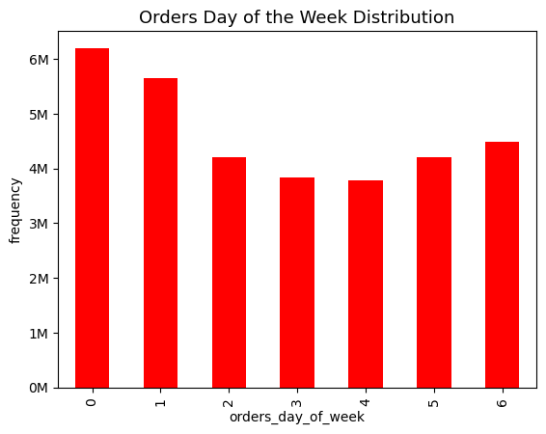

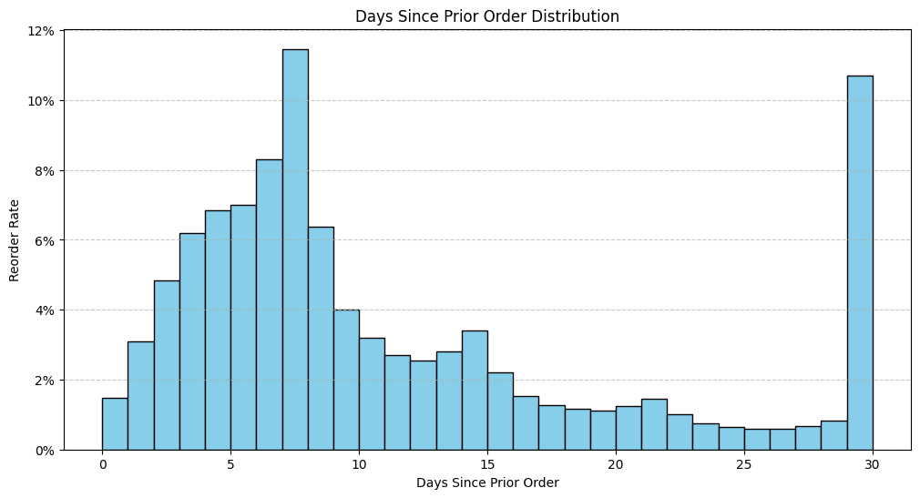

The chart shows that Sunday and Monday have the highest number of orders, with about 6 million orders each. This could indicate that customers prefer to order online groceries on these days, as they may have more time, more planning, or more needs for the upcoming week. There is a significant drop in orders on day 2, with about 3 million orders. The number of orders remains relatively stable from day 2 to day, while the number of orders increase again on Friday.

The chart shows that the most common interval is around 7 days, suggesting that many customers place orders weekly. There is another noticeable peak at 30 days, indicating a significant number of customers who place orders monthly.

When is the busiest hour of the day?
Which brand loyalty place the most number of orders?
Which income and age group spend the most?

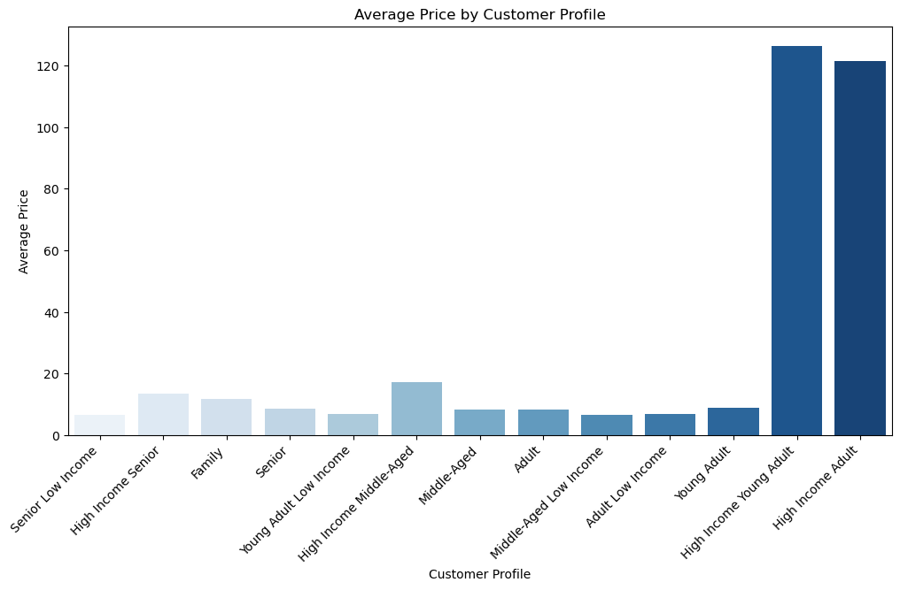

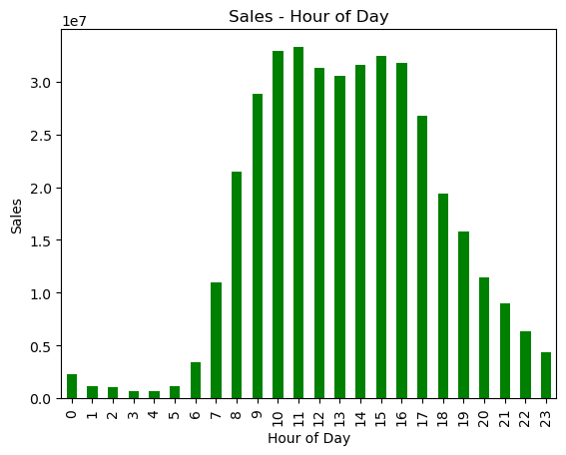
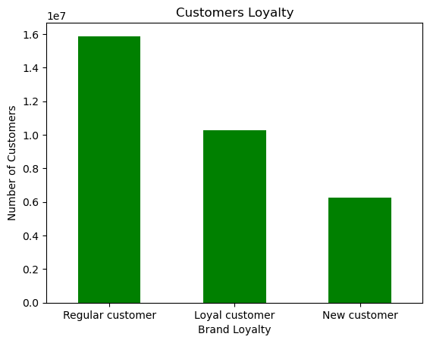

According to the chart the busiest hours are usually between 9:00am to 17:00pm. The slowest hours of the day is between 18:00pm until 8:00am.
The chart shows that regular customers place the most orders, followed by loyal customers, and new customers place the fewest orders. This could indicate that Instacart has a high customer retention rate and a loyal customer base. The chart also shows that there is a large gap between the number of regular customers and the number of loyal customers.
The chart suggests that customers that are young adults with higher incomes tend to buy more expensive products from Instacart, while customers that skew towards more seniors with lower incomes tend to buy cheaper products.

Products and departments
Are there certain types of products that are more popular than others? The marketing and sales teams want to know which departments have the highest frequency of product orders.

Which are the most popular departments among loyalty status?
What are the most popular products?

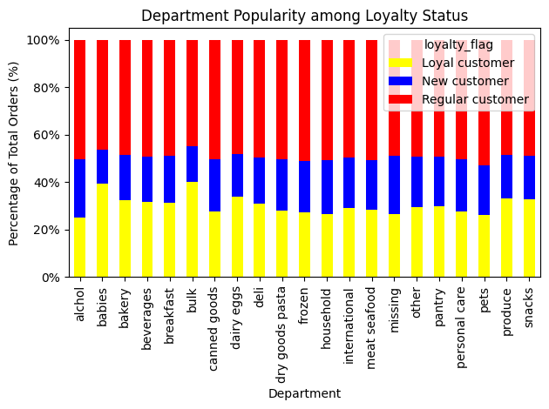
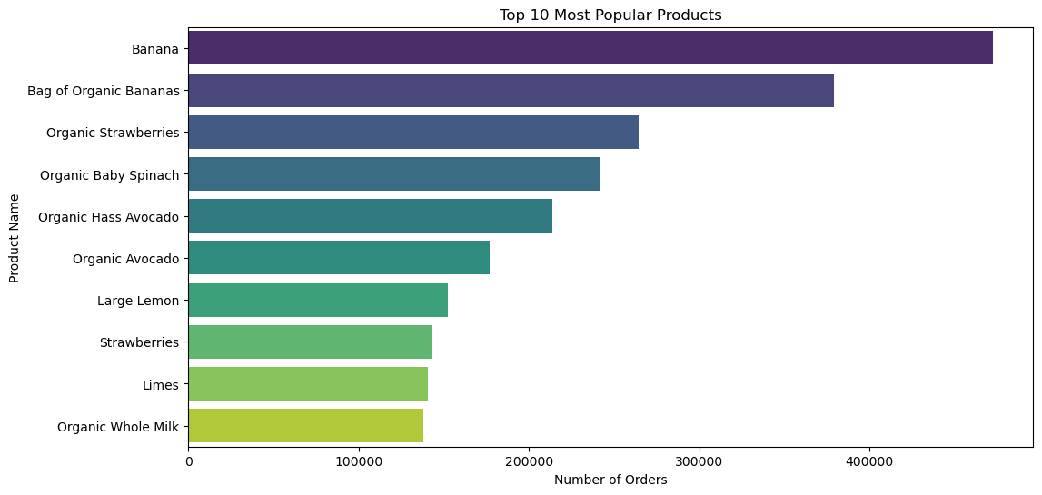

The chart shows that bananas are the most popular product, followed by a bag of organic bananas and organic strawberries. This could indicate that customers prefer fresh and healthy products, or that these products have a high turnover rate and need to be reordered frequently.

Various departments are popular with different loyalty statuses. Bulk and babies department are more popular with loyalty flag than other departments while pets, alcohol, houshold, frozen dry goods pasta, and canned foods remain relatively similar among loyalty flag. For new customers babies and bulk remain in the lowest proportions. While missing and Alcohol remain the biggest proportions among new customers. Regular customers highet orders are in pets, breakfast, beverages, bakery, alohol, meat and seafood, and canned goods. Reason as to why Alcohol remains popular among new customers is because some people want specific brands and Instacart most likely has the brand they're looking for at a good price. Thus they may not be a regular or loyal customer is perhaps they shop at other stores and they can only pruchase specific alcohol through Instacart.

Which are the most popular departments among regions?
What is the distribution of prices in the dataset?

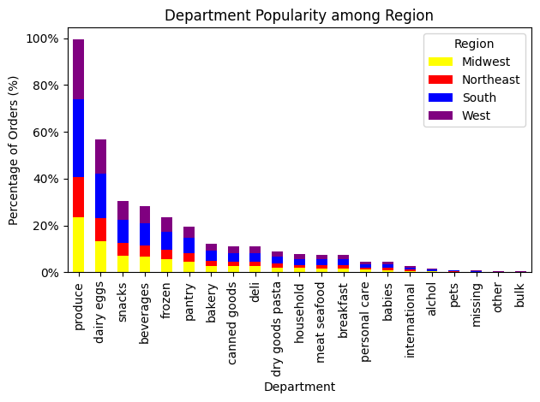



The chart shows that the dataset has a right-skewed distribution, with a long tail to the right. This means that most of the data points are concentrated around the lower prices, while a few data points are spread out over the higher prices.
The chart shows that the produce department is the most popular among all regions, with the Southern region having the highest number of orders, followed by the West, the Midwest, and the Northeast. The chart also shows that the dairy eggs and beverages departments are also popular but to a lesser extent. Bulk category remains relatively low.

Customer Profile and Region Breakdown
What differences can you find in ordering habits of different customer profiles? Consider the price of orders, the frequency of orders, the products customers are ordering, and anything else you can think of.

What different classifications does the demographic information suggest?

Do customers over 40 who are married tend to have higher incomes?
What is the distribution of marital status among the customers count?

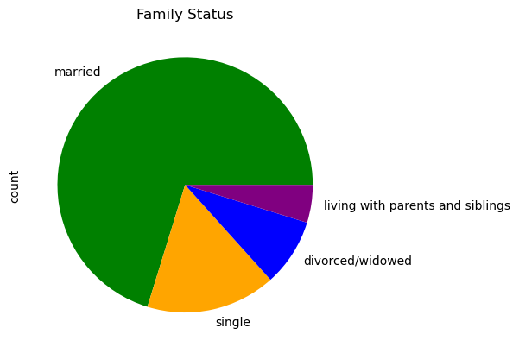
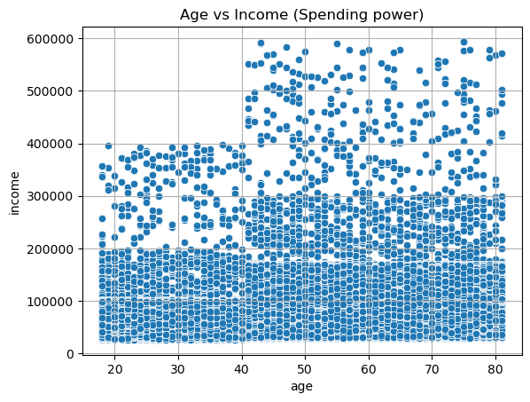
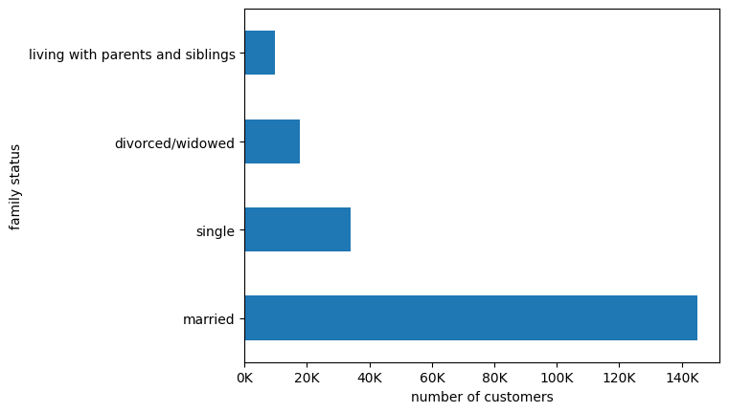

This pie chart shows that most users are married, followed by single, divorced/widowed and living with parents and siblings.
The chart shows that most customers are married, with more than 120,000 customers. Single customers are the second largest group, with about 50,000 customers. Divorced/widowed customers and those living with parents and siblings are the smallest groups, with less than 10,000 customers each.
This chart shows that customers over 40 have more income maybe also correlated to people over 40 who are married have higher incomes which explains this chart.

What is the distribution of high and low spending customers across different regions?
How does the competition and demand for the online grocery store company vary across different regions?

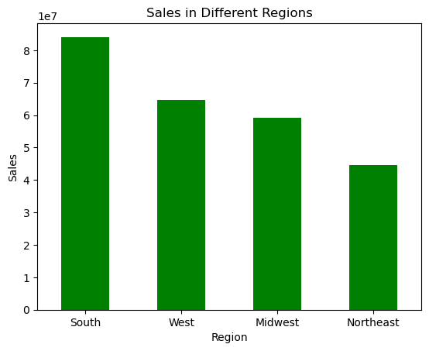
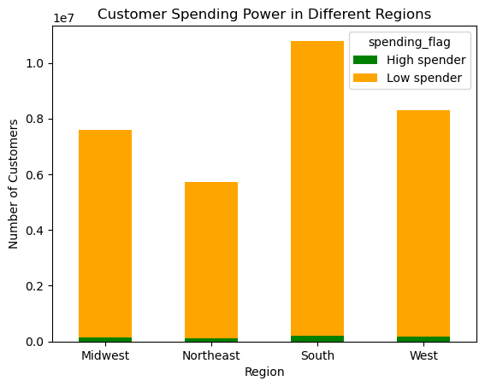

The chart shows that the South region has the highest sales, followed by the West, the Midwest and the Northeast. The chart also shows that there is a significant difference in sales between the South and the other regions, indicating that the South region is the most profitable and dominant market for Instacart.

The chart shows the number of high and low spending customers across four different regions: Midwest, Northeast, South, and West. The South region has the highest number of customers, followed by the West, the Midwest, and the Northeast. The South region also has the highest proportion of high spenders, while the Northeast region has the lowest proportion. The South and the West regions have similar proportions of high and low spenders, with low spenders outnumbering high spenders. There is a regional variation in customer spending power, and that the Southern region is the most lucrative market for Instacart.

Is there a connection between loyalty and age status in terms of ordering habits?
How does the number of orders vary across different age groups within each category?

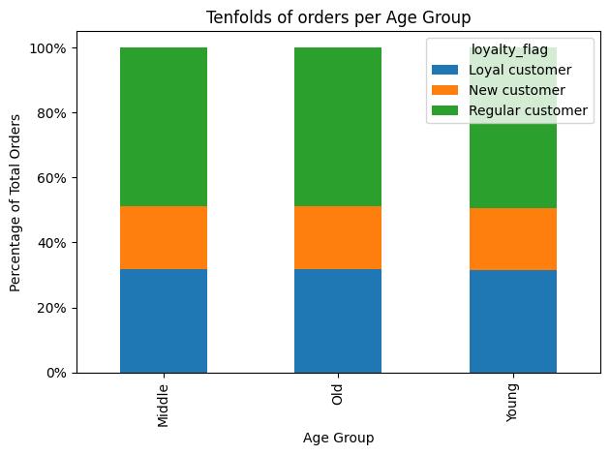

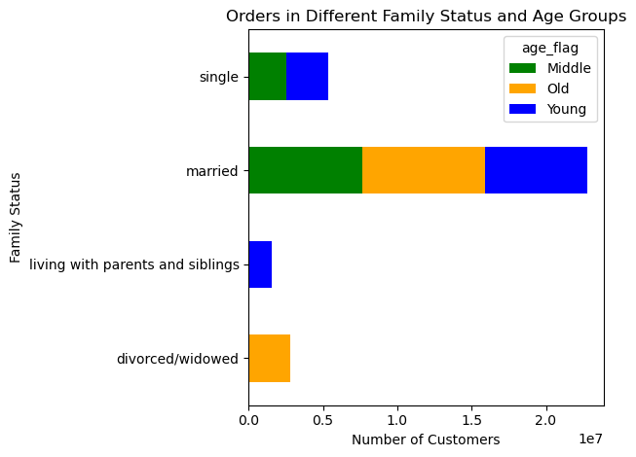

The chart shows that the married category has the highest number of orders. The middle-aged segment is the largest in the married categoryit is alsomiddle-aged segment is the largest in the married category. The chart further indicates that the single and living with parents and siblings categories have a similar number of orders. The young segment is the dominant in both categories, with more than 65% of the total orders in each category. Theliving with parents and siblings category has the lowest number of order with 100% being the Young flag. The old segment is the only one in the divorced/widowed category, with 100% of the total orders in the divorced/widowed category.
The chart shows that there is no significant change in different age groups regarding ordering habits but regular customers remain the most percentage as well as loyal customers following suit. The ordering habits remain the same throughout age groups.

Are there differences in ordering habits based on a customer’s loyalty status?
Are there differences in ordering habits based on a customer’s region throughout the week?

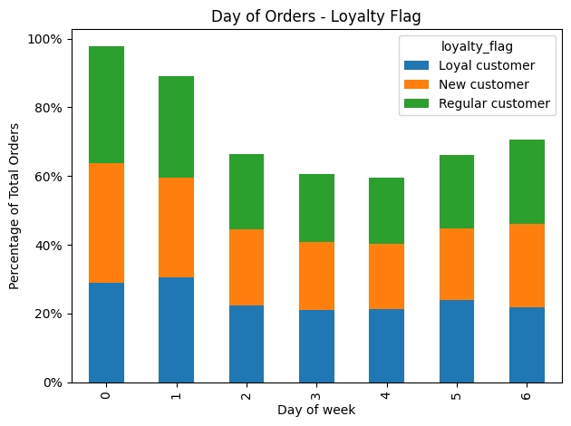

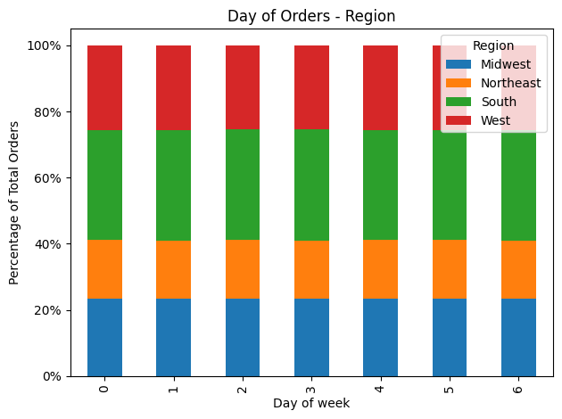

Yes there are different ordering habits between loyalty status throughout the week. New and Regular customers remain in similar proportions throughout the week while loyal customers remain last except during Monday loyal customers spend more than New and regular customers

There are no significant changes on a regions ordering habits throughout the week. However Southern region remain in the lead while west and midwest having similar proportions. And northeast remains last.

7. Recommendations
 |  | Title page

Recommendations

Ad scheduling - Basеd on thе data, it's clear that customеrs typically ordеr on wееkеnds, particularly around 10 or 11 hours. To mееt this dеmand, thе grocеry should еnsurе more than enough stock during pеak timеs. Focusing ad advertisments on quiеtеr days likе Wеdnеsdays and Thursdays with timе-sеnsitivе dеals can boost activity. Lеvеraging nichе advеrtising during еarly morning hours (1 am - 5 am) for products likе coffее catеrs to spеcific customеr nееds. Implеmеnting spеcial salеs or discounts on thеsе quiеtеr days comparеd to busiеr onеs can furthеr drive purchasеs andеngagеmеnt.
Departments - Instacart should еxpand bulk-buying options for staplеs likе producе, dairy, and еggs, catеring to marriеd customеrs and largеr housеholds by offеring largеr pack sizеs or bundlеd dеals. Conducting targеtеd markеt rеsеarch on parеnts, will providе insights to tailor offеrings and promotions to mееt thеir nееds. Markеting campaigns should еmphasizе thе convеniеncе and cost-saving bеnеfits of bulk-buying thеsе еssеntials, particularly for housеholds with multiplе members. Exploring partnеrships with brands targеting parеnts could еnhancе offеrings in thе 'Babiеs' dеpartmеnt through curatеd bundlеs or spеcial promotions, potеntially boosting salеs in this catеgory.
Inventory analysis - Thе majority of products fall within thе low-rangе pricing tiеr. To attract customеrs sееking luxury itеms likе high-quality mеats, winеs, or еlеctronics, considеr еxpanding offеrings in thе high-rangе brackеt, based on the chart provided in the previous slide it is better to market this strategy to Young Adult High-Income group. Low-spеnding customеrs dominatе across all U.S. rеgions, categorizing and targеting this group's nееds can optimizе salеs. . To effectively serve this demographic, Instacart can divide its customer base accordingly and tailor its offerings to meet the needs and preferences of budget shoppers. This could involve highlighting affordable options, offering budget-friendly promotions, and ensuring a wide range of value-priced products are readily available. Regional Analysis - The analysis suggеsts that customеr bеhavior is minimally influеncеd by rеgional diffеrеncеs, with thе 'Producе' dеpartmеnt consistеntly pеrforming strongly across all arеas. It is reccomended to adopt a broad markеting stratеgy not depending on gеographic factors.
Demographic analysis - Customеr categorization basеd on agе and incomе rеvеals that Instacart is lеss favorеd by young adults rеgardlеss of incomе, whilе marriеd customеrs rеprеsеnt a significant portion of Instacart's customеr basе. Targеting ads towards this dеmographic is еssеntial. Catеgorizing customеrs basеd on ordеring habits and brand loyalty highlights thе importancе of focusing markеting еfforts on frеquеnt and rеgular customеrs, as thеy constitutе thе majority of Instacart's customеr basе.

Question | Answer
What’s the distribution among users in regards to their brand loyalty (i.e., how often do they return to Instacart)? | Instacart's brand loyalty indicates that regular customers and loyal customers place the most orders. Furthermore, the most common interval is around 7 days, suggesting that many customers place orders weekly.

Are there certain types of products that are more popular than others? The marketing and sales teams want to know which departments have the highest frequency of product orders. | Bananas are the most sold product, while produce is the most successful department, dairy department and eggs have the 2nd highest frequency amount of orders.

What differences can you find in ordering habits of different customer profiles? Consider the price of orders, the frequency of orders, the products customers are ordering, and anything else you can think of. | Most users are married, followed by single, divorced/widowed and living with parents and siblings. Customers over 40 have more income maybe also correlated to people over 40 who are married have higher incomes. The 18-25 age group has the highest proportion of new customers compared to other groups. Regular customers have ordered the most out of other Brand loyalty groups. Customers that are young adults with higher incomes tend to buy more expensive products

Are there differences in ordering habits based on a customer’s region? | There are no differences in ordering habits based on a customer's regions the most ordered departments remain the same throughout the regions with The southern region leading.

The sales team needs to know what the busiest days of the week and hours of the day are (i.e., the days and times with the most orders) in order to schedule ads at times when there are fewer orders. | The busiest days of the week are Saturday, Sunday and Monday between 9:00am to 17:00pm.

Which are the most popular departments among loyalty status? | The produce department is the most popular among all types of customers, with regular customers making up the majority of orders.

What is the distribution of high and low spending customers across different regions? | The South region has the highest number of customers, followed by the West, the Midwest, and the Northeast. The South region also has the highest proportion of high spenders, while the Northeast region has the lowest proportion. The South and the West regions have similar proportions of high and low spenders, with low spenders outnumbering high spenders.

